Bill Of Lading
#config
Name=Neptune Pacific Line Bill of Lading
HideColumnIf |  |  |  |  |  |  |  |  |  |  |  |  |  |  | 1==1 | 1==1 | 1==1 | 1==1 | 1==1 | 1==1 | 1==1 | 1==1 | 1==1 | 1==1 | 1==1 | 1==1 | 1==1 | 1==1 | 1==1 | 1==1 | 1==1 | 1==1 | 1==1 | 1==1 | 1==1
PageStyle=Continuous
DataContext=Shipment
EmailSubject=Neptune Pacific Direct Line Bill of Lading<BillOfLading.OceanBillNumber>
#DocumentHeader
#SectionBody:Data=BillOfLading.FormedPages
#if "<ReleaseTypeCode>" != "SWB"

 |  |  |  |  |  | BILL OF LADING |  |  |  |  |  |  |  | <ReportName>
 | (1) Shipper/Exporter |  |  |  |  |  |  |  | (2) B/L NO.
 | <DocDataValue("Consignor", "<ConsignorAddress>")> |  |  |  |  |  |  |  |  | <BillOfLading.OceanBillNumber>
 |  |  |  |  |  |  |  |  | (6) Export References
 |  |  |  |  |  |  |  |  |  | <Export Reference>
 |  |  |  |  |  |  | Shipper code
 | (3) Consignee (complete name and address) |  |  |  |  |  |  |  | (7) Forwarding Agent-References
 | <DocDataValue("Consignee", "<ConsigneeAddress>")> |  |  |  |  |  |  |  |  | <Forwarding Agent Reference>
 | (4) Notify Party (complete name and address) |  |  |  |  |  |  |  | (8) Point and Country of Origin (for the Merchant's reference only
 | <DocDataValue("Notify Party", "<BillOfLading.NotifyParty>")> |  |  |  |  |  |  |  |  | <Point And Country Of Origin>
 |  |  |  |  |  |  |  |  | (9) Also Notify Party (complete name and address)
 |  |  |  |  |  |  |  |  |  | <DocDataValue("Notify Party2", "<NotifyParty2.PostalAddress>")>
 |  |  |  |  |  |  | Notify code
 | (12) Pre-carriage by |  |  | (13) Place of Receipt/Date
 | <Pre-Carriage By> |  |  | <DocDataValue("Place Of Receipt", "<BillOfLading.OriginPort.PortName>")>
 | (14) Ocean Vessel/Voy. No. |  |  | (15) Port of Loading |  |  |  |  | (10) Onward Inland Routing/Export Instructions (for the Merchant's reference only)
 | <BILLOFLADING.VESSELNAME>/<BILLOFLADING.VOYAGENUMBER> |  |  | <DocDataValue("Load Port", "<BillOfLading.LoadPort.PortName>")>
 |  |  |  |  |  |  |  |  |  | <Onward Inland Routing>
 | (16) Port of Discharge |  |  | (17) Place of Delivery
 | <DocDataValue("Discharge Port", "<BillOfLading.DischargePort.PortName>")> |  |  | <DocDataValue("Place Of Delivery", "<BillOfLading.DestinationPort.PortName>")>
 |  |  |  |  | Particulars Furnished by Merchant
 | (18) Container No. And Seal No. Marks & Nos | (19) Quantity And Kind of Packages |  |  |  | (20) Description of Goods |  |  |  |  |  |  | (21) Measurement (Cubic Metres) Gross Weight (Tonnes)
 | CONTAINER NO./SEAL NO.
 | <BillOfLading.FormedPages.MainBodyDetailsSection>
 | (22) TOTAL NUMBER OF CONTAINERS OR PACKAGES (IN WORDS) |  | <NUMBERTOWORDS(BILLOFLADING.NUMBEROFCONTAINERS)> CONTAINER(S) |  |  |  |  |  |  |  | Payment Terms: <INCODescription>
 |  |  |  |  |  |  |  |  |  |  | <IF("<BillOfLading.FormedPages.PageNo>" == "<BillOfLading.FormedPages.Count>", "", "Page <BillOfLading.FormedPages.PageNo> *** Continues Next Page ***")>

 | (24) FREIGHT & CHARGES | Revenue Tonnes |  |  |  | Rate Per |  |  |  |  | Prepaid |  |  | Collect
 | <BillOfLading.FormedPages.ChargesSection>
 |  |  | (27) Number of Original B(s)/L |  |  |  |  |  |  |  | (29) Prepaid at |  |  | (30) Collect at
 |  |  | <NOOFORIGINALBILLS> (<NUMBERTOWORDS(NOOFORIGINALBILLS)>) |  |  |  |  |  |  |  | <BillOfLading.FreightPayableAtPort.PortName> |  |  | <Collect at>
 |  |  | (28) Place of B(s)/L Issue Date |  |  |  |  |  |  |  | (31) Exchange Rate |  |  | (32) Exchange Rate
 |  |  | <DocDataValue("Place Of Issue", "<BillOfLading.LoadPort.PortName>")> |  |  |  |  | <DocDataValue("Date Of Issue", "<HouseBillIssueDate.Date>")> |  |  | <Prepaid Exchange Rate> |  |  | <Collect Exchange Rate>
 | (26) Service Type/Mode |  | (33) Laden on Board the Vessel |  |  |  |  | <BILLOFLADING.VESSELNAME>/<BILLOFLADING.VOYAGENUMBER>
 | <Type of Service> |  | Shipped On Board: <Format("{OnBoardDate:Date}")> |  |  |  |  |  |  |  |  | <By>
 |  |  |  |  |  |  |  |  |  |  | By

 | <HPageBreak>
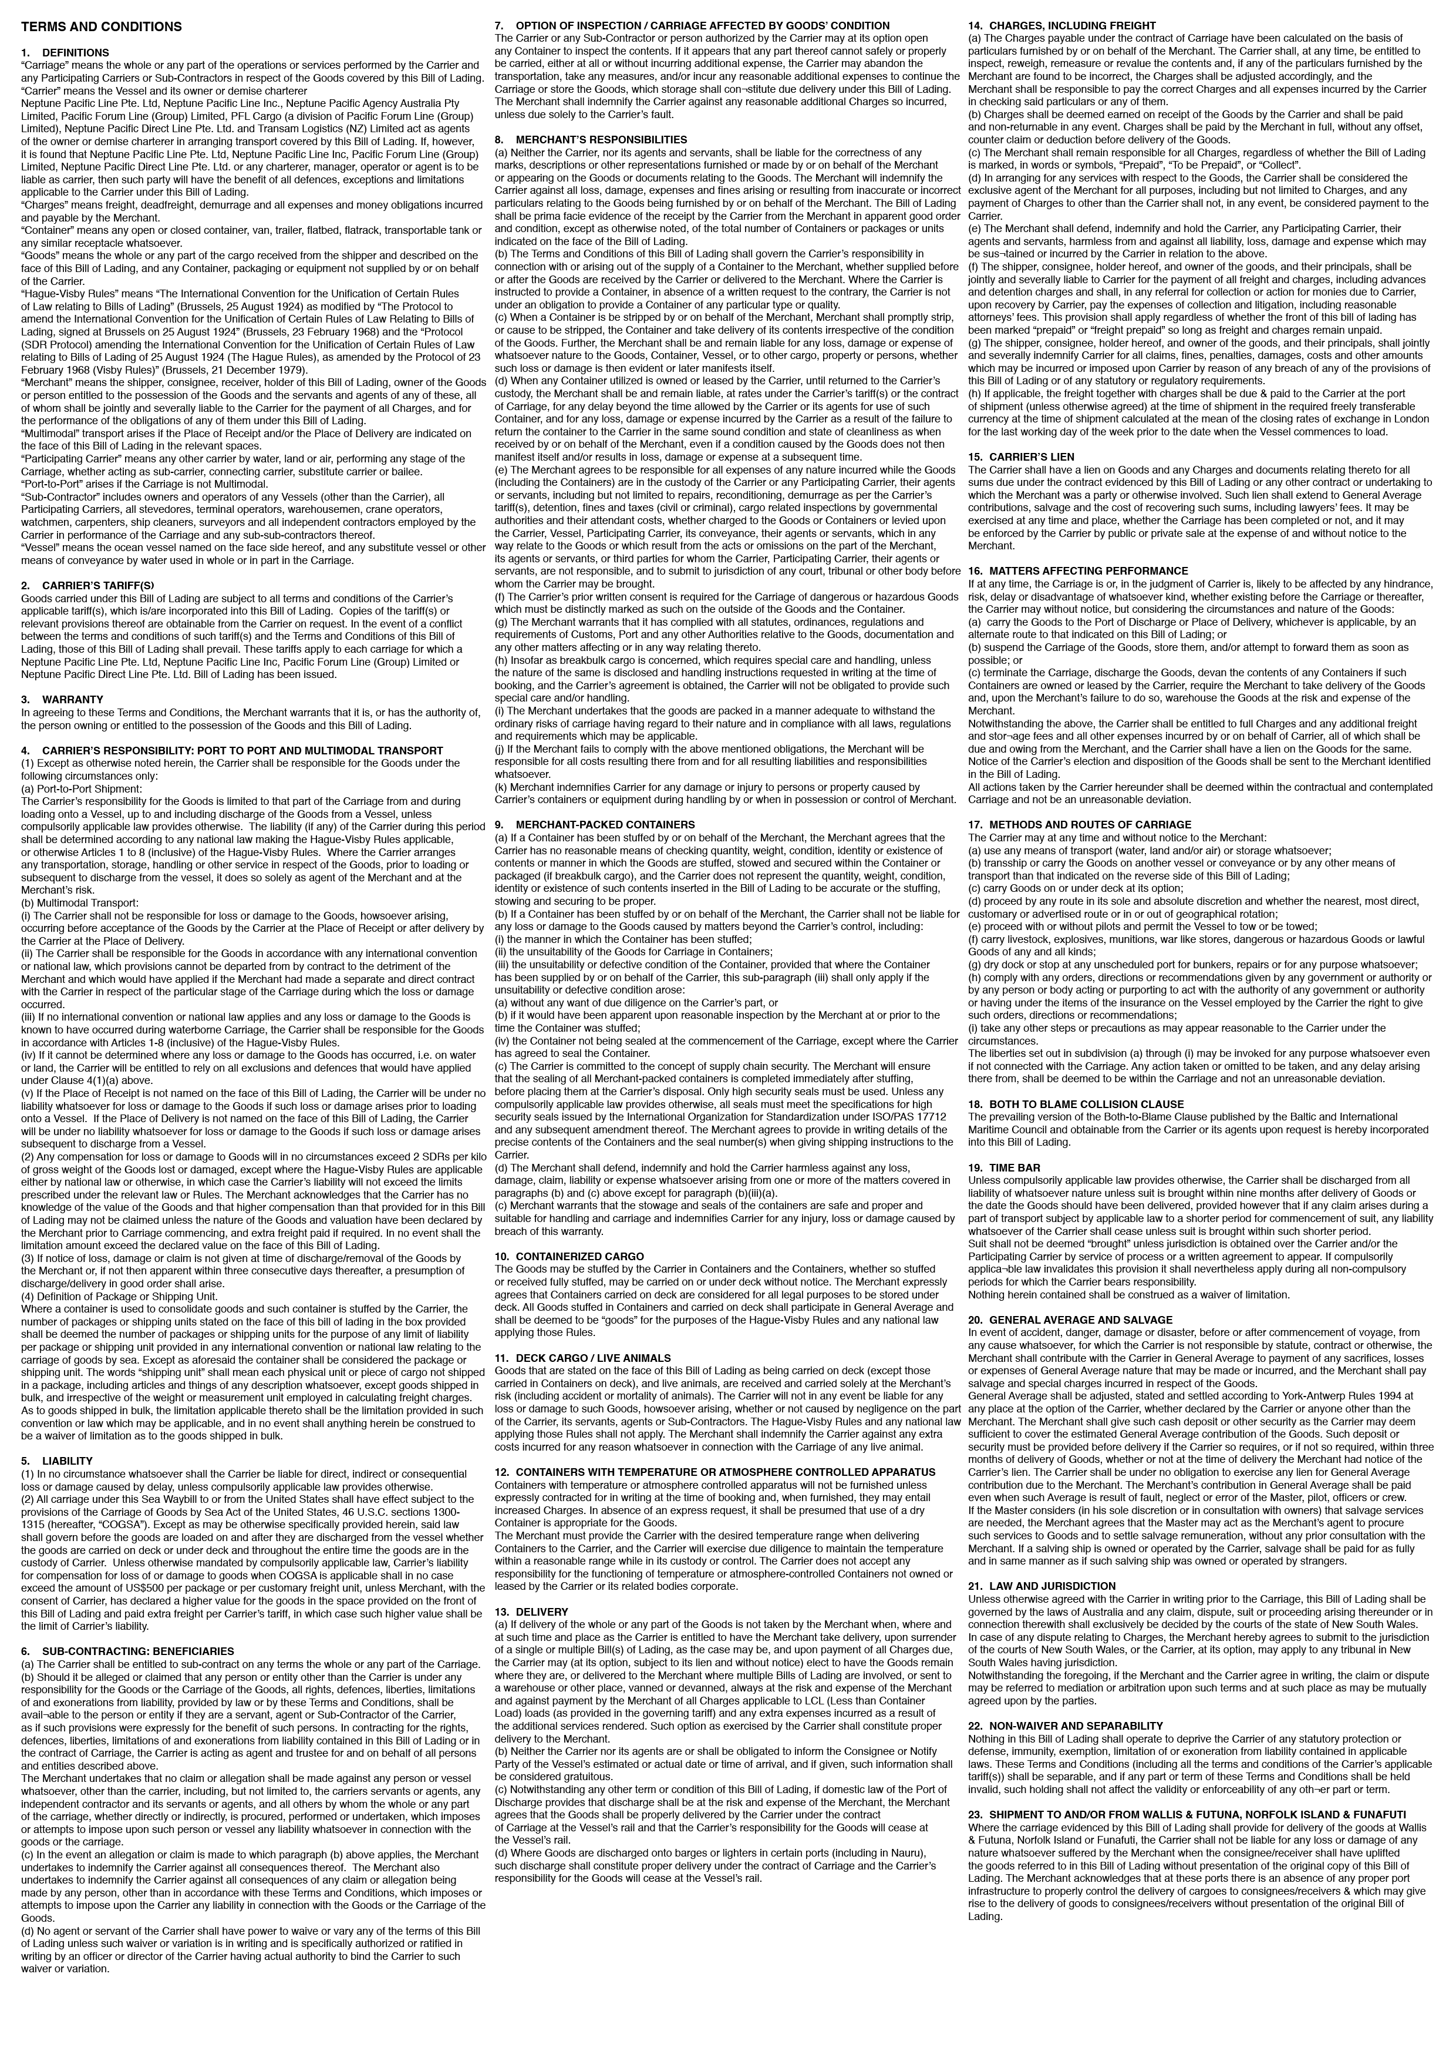

 | <HPageBreak>
#Else

 |  |  |  |  |  |  | WAYBILL NON NEGOTIABLE
 | (1) Shipper/Exporter |  |  |  |  |  |  |  | (2) Waybill NO.
 | <DocDataValue("Consignor", "<ConsignorAddress>")> |  |  |  |  |  |  |  |  | <BillOfLading.OceanBillNumber>
 |  |  |  |  |  |  |  |  | (6) Export References
 |  |  |  |  |  |  |  |  |  | <Export Reference>
 |  |  |  |  |  |  | Shipper code
 | (3) Consignee (complete name and address) |  |  |  |  |  |  |  | (7) Forwarding Agent-References
 | <DocDataValue("Consignee", "<ConsigneeAddress>")> |  |  |  |  |  |  |  |  | <Forwarding Agent Reference>
 | (4) Notify Party (complete name and address) |  |  |  |  |  |  |  | (8) Point and Country of Origin (for the Merchant's reference only
 | <DocDataValue("Notify Party", "<BillOfLading.NotifyParty>")> |  |  |  |  |  |  |  |  | <Point And Country Of Origin>
 |  |  |  |  |  |  |  |  | (9) Also Notify Party (complete name and address)
 |  |  |  |  |  |  |  |  |  | <DocDataValue("Notify Party2", "<NotifyParty2.PostalAddress>")>
 |  |  |  |  |  |  | Notify code
 | (12) Pre-carriage by |  |  | (13) Place of Receipt/Date
 | <Pre-Carriage By> |  |  | <DocDataValue("Place Of Receipt", "<BillOfLading.OriginPort.PortName>")>
 | (14) Ocean Vessel/Voy. No. |  |  | (15) Port of Loading |  |  |  |  | (10) Onward Inland Routing/Export Instructions (for the Merchant's reference only)
 | <BILLOFLADING.VESSELNAME>/<BILLOFLADING.VOYAGENUMBER> |  |  | <DocDataValue("Load Port", "<BillOfLading.LoadPort.PortName>")>
 |  |  |  |  |  |  |  |  |  | <Onward Inland Routing>
 | (16) Port of Discharge |  |  | (17) Place of Delivery
 | <DocDataValue("Discharge Port", "<BillOfLading.DischargePort.PortName>")> |  |  | <DocDataValue("Place Of Delivery", "<BillOfLading.DestinationPort.PortName>")>
 |  |  |  |  | Particulars Furnished by Merchant
 | (18) Container No. And Seal No. Marks & Nos | (19) Quantity And Kind of Packages |  |  |  | (20) Description of Goods |  |  |  |  |  |  | (21) Measurement (Cubic Metres) Gross Weight (Tonnes)
 | CONTAINER NO./SEAL NO.
 | <BillOfLading.FormedPages.MainBodyDetailsSection>
 | (22) TOTAL NUMBER OF CONTAINERS OR PACKAGES (IN WORDS) |  | <NUMBERTOWORDS(BILLOFLADING.NUMBEROFCONTAINERS)> CONTAINER(S) |  |  |  |  |  |  |  | Payment Terms: <INCODescription>
 |  |  |  |  |  |  |  |  |  |  | <IF("<BillOfLading.FormedPages.PageNo>" == "<BillOfLading.FormedPages.Count>", "", "Page <BillOfLading.FormedPages.PageNo> *** Continues Next Page ***")>

 | (24) FREIGHT & CHARGES | Revenue Tonnes |  |  |  | Rate Per |  |  |  |  | Prepaid |  |  | Collect
 | <BillOfLading.FormedPages.ChargesSection>
 |  |  | (27) Number of Original Waybill(s) |  |  |  |  |  |  |  | (29) Prepaid at |  |  | (30) Collect at
 |  |  | <NOOFORIGINALBILLS> (<NUMBERTOWORDS(NOOFORIGINALBILLS)>) |  |  |  |  |  |  |  | <BillOfLading.FreightPayableAtPort.PortName> |  |  | <Collect at>
 |  |  | (28) Place of Waybill(s) Issue Date |  |  |  |  |  |  |  | (31) Exchange Rate |  |  | (32) Exchange Rate
 |  |  | <DocDataValue("Place Of Issue", "<BillOfLading.LoadPort.PortName>")> |  |  |  |  | <DocDataValue("Date Of Issue", "<HouseBillIssueDate.Date>")> |  |  | <Prepaid Exchange Rate> |  |  | <Collect Exchange Rate>
 | (26) Service Type/Mode |  | (33) Laden on Board the Vessel |  |  |  |  | <BILLOFLADING.VESSELNAME>/<BILLOFLADING.VOYAGENUMBER>
 | <Type of Service> |  | Shipped On Board: <Format("{OnBoardDate:Date}")> |  |  |  |  |  |  |  |  | <By>
 |  |  |  |  |  |  |  |  |  |  | By

 | <HPageBreak>

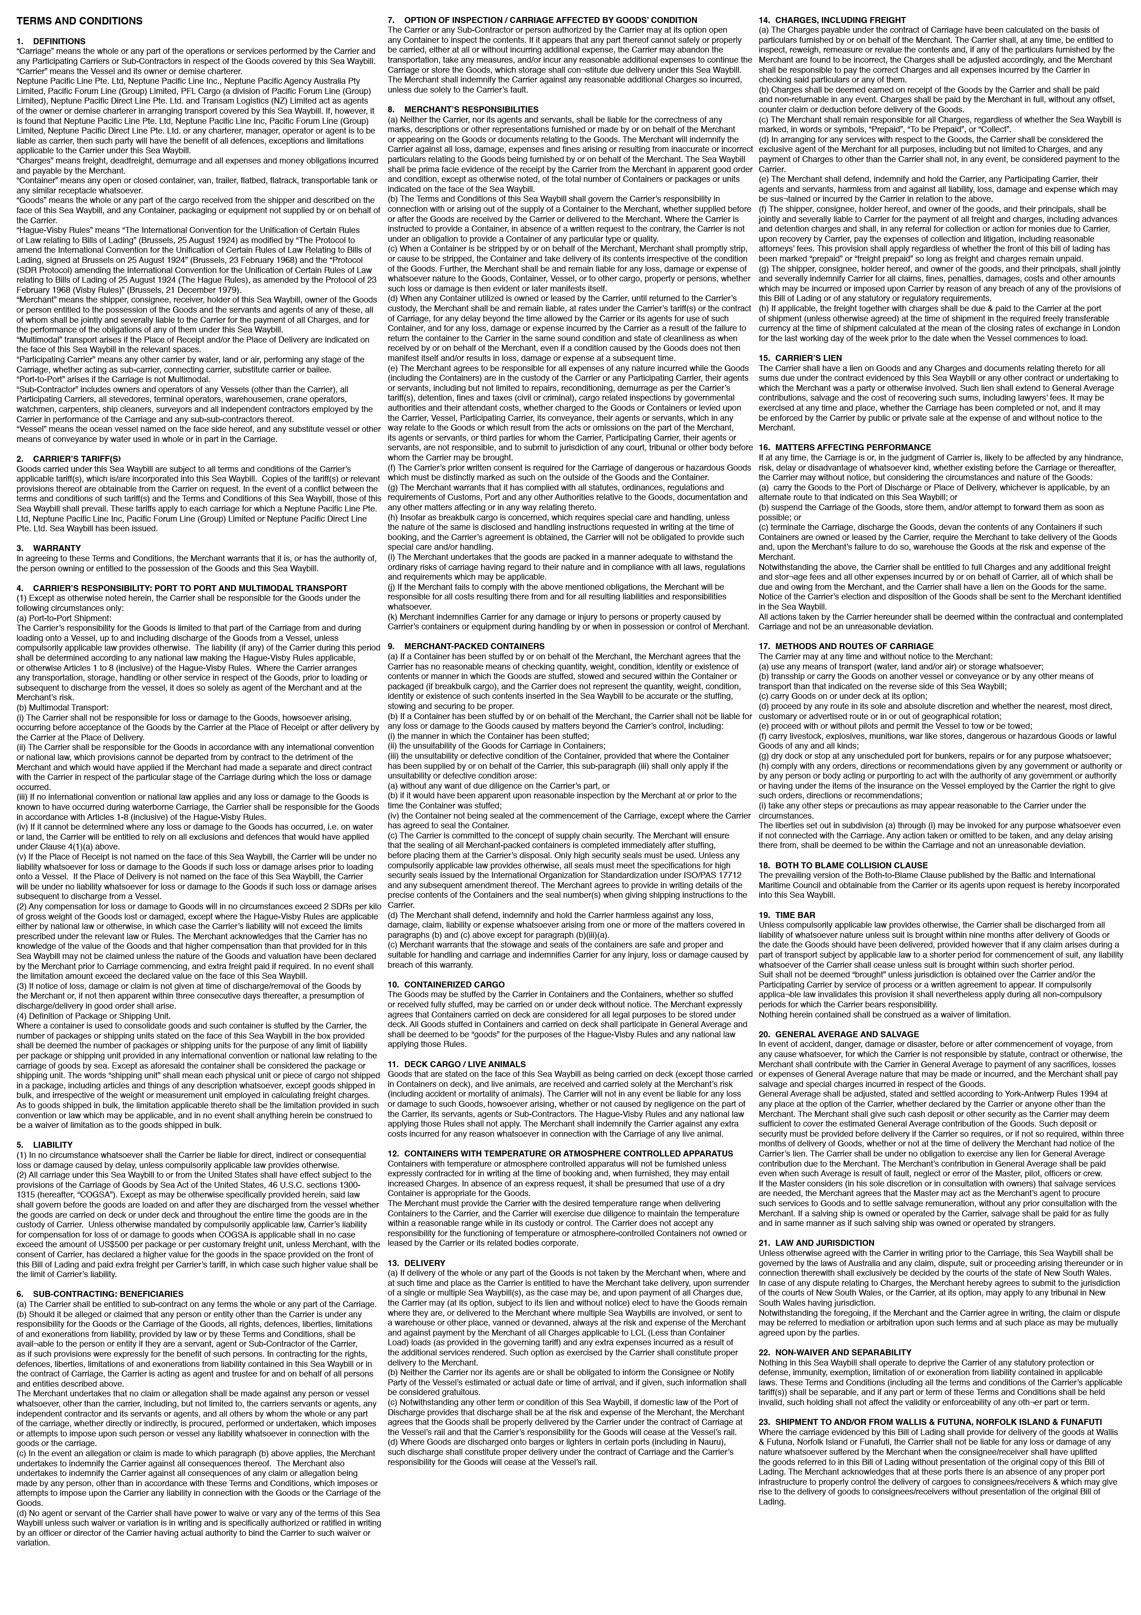

 | <HPageBreak>
#endif
#EndOfReport

